General Instructions
HSU General Instructions on Financial Reporting
- Financial statements are required for reporting the expenses and commitments during a certain period for the UNTFHS contribution only of the programme only (as per the signed financial agreement with each implementing organization/partner).
- For financial reconciliation purposes and for monitoring of funds utilization as per approved budget proposal (specifically budget breakdown by reporting object class), the UNTFHS will consider the certified financial statements issued by each implementing partner's HQ as the official submission. Therefore, each country office should liaise with their respective HQ to ensure the interim financial statement reports expense and commitment amounts, under each object class category are aligned with the respective HQ financial statements. The HSU cannot be in a situation where the expenses and commitments reported by the country office and their respective HQ are not aligned/equivalent under each object class category.

UNDP interim cumulative Financial Statement:
1. Based on discussions with Office of Financial Resources Management/Bureau of Management/UNDP-HQ, the expenses reported in the interim financial statement from the Country Offices and the certified financial statements from UNDP-HQ should be aligned by each expense/object reporting class.
2. Accordingly, UNDP-HQ has advised that each CO should liaise with their respective administrative/finance personnel to generate the standard interim cumulative financial statement for inter-agency reporting.
3. Please refer to the tab labelled "UNDP inter-agency rpt template" for an example. If you have any questions regarding how to produce this template please contact Office of Financial Resources Management/Bureau of Management/UNDP-HQ.

UNICEF interim cumulative Financial Statement:
1. Based on discussions with Accounts Section/Division of financial & Administrative Management/UNICEF-HQ and DFAM/Contributions Unit/UNICEF-HQ, the expenses reported in the interim financial statement from the Country Offices and the certified financial statements from UNDP-HQ should be aligned by each expense/object reporting class.
2. Accordingly, UNICEF-HQ has advised that each CO should liaise with their respective administrative/finance personnel to generate the standard interim cumulative financial statement for inter-agency reporting.
3. Please refer to the tab labelled "UNICEF inter-agency rpt template" for an example. If you have any questions regarding how to produce this template please contact Accounts Section or Contributions Unit at UNICEF-HQ.
4. As advised by UNICEF-HQ, the interim cumulative financial statements are not signed, therefore, when a financial statement is transmitted (i.e. via eMail message), please indicate that "The attached uncertified report contains expenditures for the given UNTFHS programme as of "pls include date", as produced by the UNICEF systems." Once this statement is included, we will accept the interim financial statement.

UN Women Financial Statement:
1. Note to country offices. We have been advised by Management and Administration Division/UN Women-HQ that all financial statements submitted by country offices must be reviewed and vetted by UN Women-HQ. Therefore, before submission of an interim financial statement, please ensure that it has been reviewed and vetted by the designated focal point in the Management and Administrative Division.

HSU Generic Financial Statement (Other implementing organizations/partners): instructions to complete template
1. The blue cells contain formulas. These cells will automatically populate when entering the amounts against each expenditure category. Do not alter or manually change the blue cells.
2. Please do remove the blue color when the report is ready for certification by the competent authority in your organization.
3. In the header, do specify if the report is an interim cumulative financial report (from and to) or a certified financial report for ended year YYYY
4. The indirect costs of 7% is based only on the expenses reported (do not include unliquidated obligations / commitments).
5. The 8 reporting/object class categories to report expenses in the financial statement template are selected and defined by the working group on financial reporting of the United Nations System Chief Executives Board Secretariat (CEB) in 2010. The CEB working group included the UN entities of the UNDG group, namely UN, UNDP, UNICEF, UNFPA, FAO, UNHCR, UNESCO, WFP and WHO. The main change from the past category is the discontinuation of "Acquisition" as it has been separated into two object classes: “Equipment vehicles and furniture” and “Supplies commodities materials”.
6. For financial reconciliation purposes and for monitoring of funds utilization as per approved budget proposal (specifically budget breakdown by reporting object class), the UNTFHS will consider the certified financial statements issued by each implementing partner's HQ as the official submission. Therefore, each country office should liaise with their respective HQ to ensure that the expense and commitment amounts reported under each object class category are aligned with the respective HQ financial reporting. The HSU cannot be in a situation where the expenses and commitments reported by the country office and their respective HQ are not equivalent under each object class category.
7. To assist in the budgeting and financial reporting, please refer to the below screen shot from a CEB document defining each object class (Annex I).
8. Please note that Individual consultant/contractor costs usually fall under the object class “staff and personnel”.
9. Please note that “Travel” should include staff and non-staff travel directly related to the programme.
10. Any equipment/asset purchased by any implementing partners with UNTFHS funding source are property of the UNTFHS. The past established practice of the UNTFHS is to ensure that any asset purchased with UNTFHS contribution is donated by the concerned implementing partner to national/local entities, NGO, civil society organizations. To do so, the implementing partners should create and maintain an inventory list with associated cost (including acquisition value, annual depreciation as per IPSAS) of the purchased assets to be shared with the HSU at the inception of the operation or as soon as the implementing partner incur the acquisition cost. At the end of the programme, the same inventory list should be included in the final report along with official exchange letters substantiating the donation/transfer of property to the beneficiary recipient of the assets. If the asset is fully depreciated and no transfer occurred, this should be stated in the final report of the concerned programme and supported by the above-mentioned inventory list and IPSAS compliant statements. The HSU will remain available to provide additional guidance upon request.
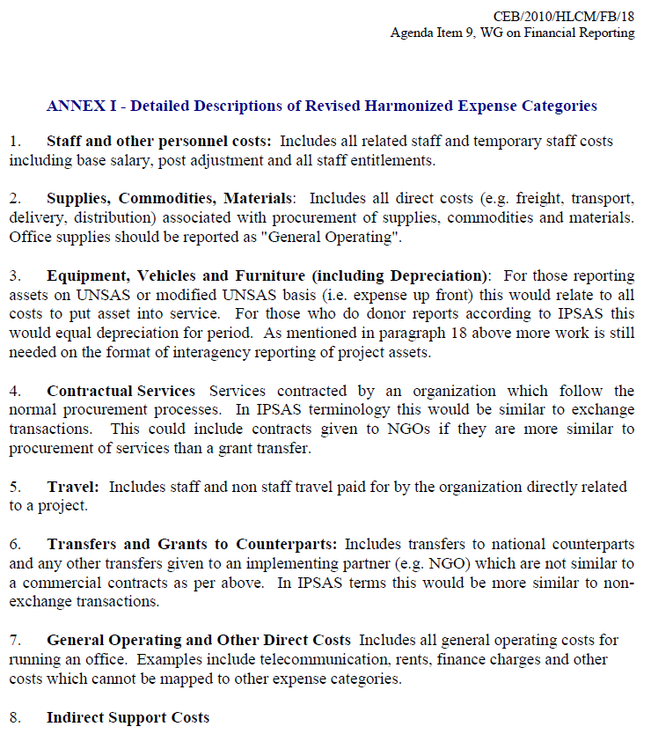

UNDP inter-agency rpt template
UNDP interim cumulative financial statement (sample)

PAGE 1 | PAGE 2

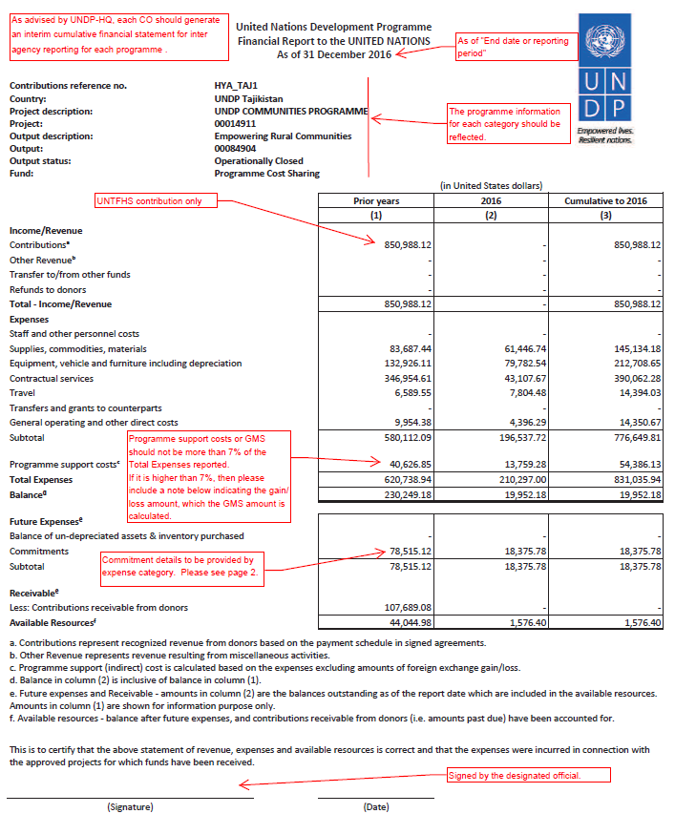
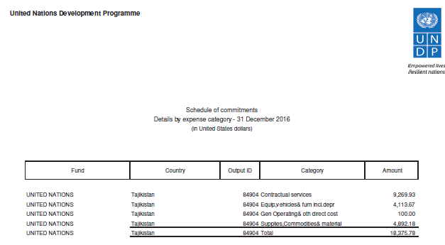

UNICEF inter-agency rpt templat
UNICEF interim cumulative financial statement (Sample)
- As the interim financial statements are not signed, please include this statement "The attached uncertified report containts expenditues for the given UNTFHS programme as of "pls include date", as produced by the UNICEF systems." when transmitting the interim financial statement to HSU.

